NRCC Headers
First & Last Page Heading
 | User input |  | auto calculated | From another Table |  | From look up table
STATE OF CALIFORNIA
Process Systems
NRCC-PRC-E |  |  |  |  | CALIFORNIA ENERGY COMMISSION
CERTIFICATE OF COMPLIANCE |  |  |  |  |  | NRCC-PRC-E
This form is used to document any process systems that are within the scope of the permit application and are demonstrating compliance with mandatory requirements in §120.6/ §160.7, or prescriptive requirements in §140.9. This compliance document is used for newly constructed, addition and alteration projects.
Project Name: |  |  |  |  | Report Page: | Page 1 of ??
Project Address: |  |  |  |  | Date Prepared:

 | The project name and date prepared is a user input on the first page, but will populate the heading on all other pages.

Heading for all other pages
STATE OF CALIFORNIA
Process Systems
NRCC-PRC-E |  |  |  |  | CALIFORNIA ENERGY COMMISSION
CERTIFICATE OF COMPLIANCE |  |  |  |  |  | NRCC-PRC-E
Project Name: |  |  |  |  | Report Page: | Page 1 of ??
Project Address: |  | Remove this field on all but first & last page header |  |  | Date Prepared:

LMCC Headers
First & Last Page Heading
 | User input |  | auto calculated | From another Table |  | From look up table
STATE OF CALIFORNIA
Process Systems
LMCC-PRC-01-E |  |  |  |  | CALIFORNIA ENERGY COMMISSION
CERTIFICATE OF COMPLIANCE |  |  |  |  |  | LMCC-PRC-01-E
This form is used to document any process systems that are within the scope of the permit application and are demonstrating compliance with mandatory requirements in §120.6/ §160.7, or prescriptive requirements in §140.9. This compliance document is used for newly constructed, addition and alteration projects.
Project Name: |  |  |  |  | Report Page: | Page 1 of ??
Project Address: |  |  |  |  | Date Prepared:

 | The project name and date prepared is a user input on the first page, but will populate the heading on all other pages.

Heading for all other pages
STATE OF CALIFORNIA
Process Systems
LMCC-PRC-01-E |  |  |  |  | CALIFORNIA ENERGY COMMISSION
CERTIFICATE OF COMPLIANCE |  |  |  |  |  | LMCC-PRC-01-E
Project Name: |  |  |  |  | Report Page: | Page 1 of ??
Project Address: |  | Remove this field on all but first & last page header |  |  | Date Prepared:

NRCC Footers
 | User input | auto calculated |  | From another Table |  | From look up table

Footer for every page:
Footer All Pages
Registration Number: |  |  | Registration Date/Time: |  | Registration Provider:
 |  |  | Report Version: |  | Compliance ID:
 |  |  | Schema Version: |  | Report Generated:
CA Building Energy Efficiency Standards - 2025 Nonresidential Compliance

LMCC Footers
 | User input | auto calculated |  | From another Table |  | From look up table

Footer All Pages
Footer for every page:

Registration Number: |  |  | Registration Date/Time: |  | Registration Provider:
 |  |  | Report Version: |  | Compliance ID:
 |  |  | Schema Version: |  | Report Generated:
CA Building Energy Efficiency Standards - 2025 Low-rise Multifamily/Mixed-use Compliance

NRCC F. Refrigerated Warehouse
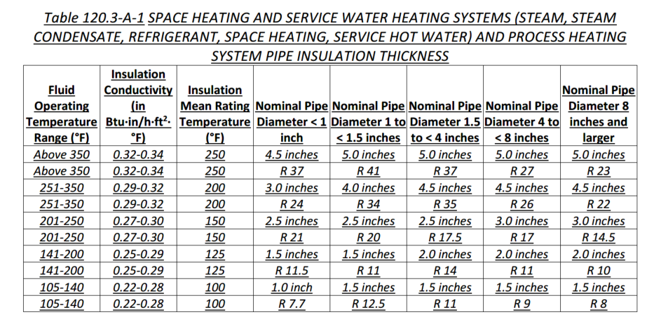
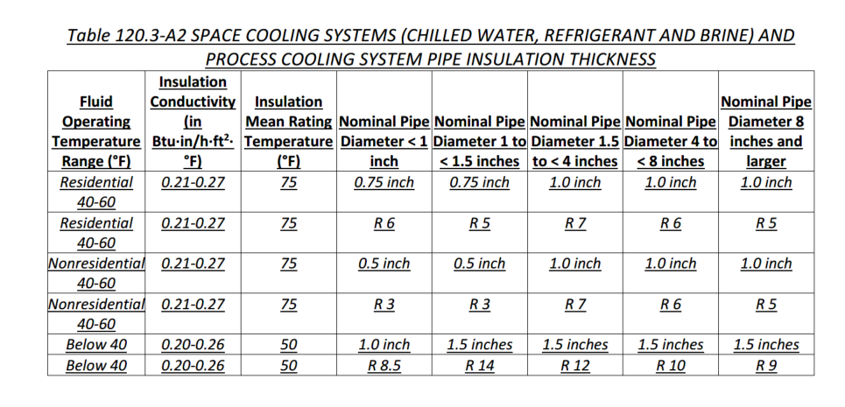
 |  |  |  | User input |  |  | auto calculated |  | From another Table |  | From look up table

F. REFRIGERATED WAREHOUSES/SPACES
This table includes all refrigerated warehouses > 3,000ft2 and refrigerated spaces with a sum total of > 3,000 ft2 served by the same refrigeration system. The inputs within Table F are used to demonstrate compliance with the requirements of §120.6(a) and §120.3.
Indicate refrigerated wareHouse/space scope included in the project: |  |  |  | ¨ Warehouse Exterior Surface Insulation | ¨ Underslab Heating | ¨ Fan Power Evaporators | ¨ Condensers | ¨ Compressors | ¨ Infiltration Barriers and Automatic Door Closures | ¨ Transcritical CO2 Fan-Powerd Gas Coolers | ¨ Pipe Insulation
Warehouse Exterior Surface Insulation
01 | ¨ | Exterior surfaces of refrigerated warehouses/spaces are specified to be insulated at least to the R-values in TABLE 120.6-A-1 (see below) per §120.6:
TABLE 120.6-A REFRIGERATED WAREHOUSE/SPACE INSULATION
Space |  |  | Surface |  | Minimum R-Value
Freezers |  |  | Roof/ Ceiling |  | 40
 |  |  | Wall |  | 36
 |  |  | Floor |  | 35
 |  |  | Floor with all heating from productive refrigeration capacity1 |  | 20
Coolers |  |  | Roof/ Ceiling |  | 28
 |  |  | Wall |  | 28
1 FOOTNOTE: All underslab heating is provided by a heat exchanger that provides refrigerant subcooling or other means that result in productive refrigeration capacity on the associated refrigerated system.

Underslab Heating
01 | 02
Room ID/ Description | Compliance Method §120.6(a)2

 | Dropdown
 |  |  |  | Reset | Add Room | Remove Last

 | Method Dropdown
 | Using electric resistance with thermostatic control to be off during summer on-peak time periods.
 | NA: not using electric resistance heat for underslab heating
 | NA: no underslab heating

Fan Powered Evaporators
01 | 02 | 03 |  | 04 |  | 05 |  |  | 06 |  |  | 07 | 08
Name or Item Tag | Fan Motor Efficiency §120.6(a)3A |  |  |  |  | Fan Controls §120.6(a)3B & §120.6(a)3C |  |  |  |  |  | Evaporator Efficiency §120.6(a)3D & §120.6(a)3E
 | HP | Phase |  | Type or Efficiency |  | Evaporator Fans Served By |  |  | Compliance Method |  |  | Compliance Method | Applied Static Pressure Drop
 | Dropdown | Dropdown |  | Dropdown |  | Dropdown |  |  | Dropdown |  |  | Dropdown | Dropdown

 | Motor HP | Phase |  | Type or Efficiency |  | Fans Served By |  |  | Fan Controls |  |  | Compliance Method | Static Pressure Drop
 | <1 HP | Single Phase < 460V |  | ECM |  | Suction group with multiple compressors |  |  | Variable Speed based on Temp |  |  | Designed per Table120.6-A-2 | Does not exceed 0.5 in. water
 | >= 1 HP | Three Phase |  | >=70% Efficiency |  | Single compressor with variable capacity capability |  |  | Variable Speed based on Humidity |  |  | NA: Evaporators designed solely for quick chilling/freezing of products. | NA: Evaporators designed solely for quick chilling/freezing of products.
 |  |  |  |  |  | Single compressor without variable capacity |  |  | Fan Controls |  |  | NA: No use of volatile refrigerants
 |  |  |  |  |  | NA: Not alterating/replacing all of the evaporators in an existing refrigerated space that do not have fan speed-controls. |  |  | Reduce airflow ≥ 40 % for ≥ 75% of time when compressor is not running.
 |  |  |  |  |  | NA: Products stored require constant operation at 100 % of the design airflow certified by licensed engineer.
 |  |  |  |  |  | NA: Areas designed solely for quick chilling/freezing of products.

Condensers
01 | Indicate condenser types included in the project:1 |  |  | ¨ Air-Cooled (new only) | ¨ Evaporative-cooled (new only) | ¨ Water-cooled (new only) | ¨ Adiabatic (new only) | ¨ Altered/replacement or existing condensers only
1 FOOTNOTE: Altered/replacement or existing condensers do not have Title 24, Part 6 requirements.
Air-Cooled Condensers
02 | 03 | 04 | 05 | 06 | 07 | 08 | 09 | 10 | 11
Name or Item Tag | Condenser Location | Variable Speed Control §120.6(a)4D | Temp Setpoint Controls §120.6(a)4E | Design Condensing Temperatures §120.6(a)4B | Condenser Efficiency §120.6(a)4G |  |  | Fin Density §120.6(a)4H | Complies?
 |  |  |  |  | Refrigerant Type | Minimum Efficiency Required (Btuh/W) | Efficiency per Design (Btuh/W)
 | Dropdown | Dropdown | Dropdown | Dropdown | Dropdown | lookup |  | Dropdown | Yes/ No
 |  |  |  |  |  |  |  | Add Condenser | Remove Last
 | Condenser Location | VS Dropdown | Temp Setpoint Control dropdown | Design Temp dropdown | Refrig type dropdown |  |  | Fin Density dropdown
 | Indoor | Variable speed fan(s) provided | Designed to <= 70 @ ambient db temp | Designed per §120.6(a)4B | Ammonia |  |  | <= 10 fins/in
 | Outdoor | NA: Transcritical CO2 refrigeration | NA: Transcritical CO2 refrigeration | NA: Total HP < 100 | Halocarbon |  |  | NA: Using microchannel condenser
 |  |  |  | NA: > 20% for quick chilling/freezing or cooling another refrigerated space | NA: Transcritical CO2 refrigeration |  |  | NA: Condensing Unit that are components of walk-in coolers or freezers within the scope of Appliance Efficiency regulations.
 |  |  |  | NA: Transcritical CO2 refrigeration | NA: Condensing Unit that are components of walk-in coolers or freezers within the scope of Appliance Efficiency regulations.
 |  |  |  | NA: Condensing Unit that are components of walk-in coolers or freezers within the scope of Appliance Efficiency regulations.
Water-Cooled and Evaporative-Cooled Condensers
02 | 03 | 04 | 05 | 06 | 07 | 08 | 09 | 10
Name or Item Tag | Condenser Location | Variable Speed Control §120.6(a)4D | Temp Setpoint Controls §120.6(a)4E | Design Condensing Temperatures §120.6(a)4A | Condenser Efficiency §120.6(a)4G |  |  | Complies?
 |  |  |  |  | THR Capacity | Minimum Efficiency Required (Btuh/W) | Efficiency per Design (Btuh/W)
 | Dropdown | Dropdown | Dropdown | Dropdown | Dropdown | lookup |  | Yes/ No
 |  |  |  |  |  |  | Add Condenser | Remove Last
 | Condenser Location | VS Dropdown | Temp Setpoint Control dropdown | Design Temp dropdown | THR Cap dropdown
 | Indoor | Variable speed fan(s) provided | Designed to <= 70 @ ambient wb temp | Designed per §120.6(a)4A | > 8,000 MBH
 | Outdoor | NA: Transcritical CO2 refrigeration | NA: Transcritical CO2 refrigeration | NA: > 20% for quick chilling/freezing or cooling another refrigerated space | < 8,000 MBH
 |  |  |  | NA: Transcritical CO2 refrigeration | NA: Transcritical CO2 refrigeration
 |  |  |  | NA: Condensing Unit that are components of walk-in coolers or freezers within the scope of Appliance Efficiency regulations. | NA: Condensing Unit that are components of walk-in coolers or freezers within the scope of Appliance Efficiency regulations.
Adiabatic Condensers
02 | 03 | 04 | 05 | 06 | 07 | 08 | 09
Name or Item Tag | Variable Speed Control §120.6(a)4D | Temp Setpoint Controls §120.6(a)4E | Design Condensing Temperatures §120.6(a)4C | Condenser Efficiency §120.6(a)4G |  |  | Complies?
 |  |  |  | Refrigerant Type | Minimum Efficiency Required (Btuh/W) | Efficiency per Design (Btuh/W)
 | Dropdown | Dropdown | Dropdown | Dropdown | lookup |  | Yes/ No
 |  |  |  |  |  | Add Condenser | Remove Last
 | VS Dropdown | Temp Setpoint Control dropdown | Design Temp dropdown | Refrig type dropdown
 | Variable speed fan(s) provided | Designed to <= 70 @ ambient db temp | Designed per §120.6(a)4C | Ammonia
 | NA: Transcritical CO2 refrigeration | NA: Transcritical CO2 refrigeration | NA: > 20% for quick chilling/freezing or cooling another refrigerated space | Halocarbon
 |  |  | NA: Transcritical CO2 refrigeration | NA: Transcritical CO2 refrigeration
 |  |  | NA: Condensing Unit that are components of walk-in coolers or freezers within the scope of Appliance Efficiency regulations. | NA: Condensing Unit that are components of walk-in coolers or freezers within the scope of Appliance Efficiency regulations.

Compressors
01 | Indicate compressor types included in the project:1 |  |  | ¨ Compressor (new only) | o Altered or existing compressors only
02 |  | 03 | 04 |  |  | 05
Name or Item Tag |  | Design Condensing Temp §120.6(a)5A&B | Variable Speed Control §120.6(a)5C |  |  | Variable Volume Ratio §120.6(a)5D

 |  | Dropdown | Dropdown |  |  | Dropdown
1 FOOTNOTE: Altered/replacement or existing compressors do not have Title 24, Part 6 requirements. |  |  |  |  | Add Compressor | Remove Last

 |  | Cond Temp Dropdown | VS Control |  |  | Var Vol Ratio dropdown
 |  | Min condensing temp <=70 deg | Controls compressor speed in response to refrigeration load |  |  | Auto vary volume ratio in response to operating pressure
 |  | Transcritical CO2 w SST < 30deg: Min condensing temp <= 60 deg | NA: Not new open-drive screw compressor w SST <= 28deg |  |  | NA: Not screw compressor w > 150 HP motor
 |  |  | NA: > 1 dedicated compressor per suction group
 |  |  | NA: > 20% for quick chilling/freezing or cooling another refrigerated space

Infiltration Barriers and Automatic Door Closers
01 | 02 |  |  | 03
Room ID/ Description | Infiltration Compliance Method §120.6(a)6 |  |  | Door Closure Compliance Method §120.6(a)9

 | Dropdown |  |  | Dropdown
 |  |  |  | Reset | Add Room | Remove Last

 | Infiltration Method Dropdown |  |  | Door Closure Method Dropdown
 | Passageway between freezers and non-refrigerated spaces shall include infiltration barriers |  |  | Passageway between freezers & higher temp. spaces/ coolers and non-refrigerated spaces shall include automatic door closures per §120.6(a)9
 | NA: openings < 16ft2 |  |  | NA: Room doesn't include people passageways between freezers/ higher temp./coolers/non-refrigerated spaces
 | NA: Dock doorway for trailers
 | NA: Room doesn't include passageways between freezers and non-refrigerated spaces

THIS ENTIRE SUBTABLE IS NEW FOR 2022
Transcritical CO2 Fan-powered Gas Coolers
01 | Indicate gas cooler types included in the project:1 |  |  | ¨ Air-cooled (new only) | ¨ Adiabatic (new only) | ¨ Altered/replacement or existing gas coolers only |  | ¨ No Transcritical CO2 refrigeration/ no fan-powered gas coolers
1 FOOTNOTE: Altered/replacement or existing gas-coolers do not have Title 24, Part 6 requirements.
Alert! Air-cooled gas coolers are prohibited in climate zones 9-15 per §120.6(a)8A.
02 | 03 | 04 | 05 | 06 | 07 | 08 | 09
Name or Item Tag | Design Leaving Gas Temperature §120.6(a)8B&C | Variable Speed Control §120.6(a)8D | Gas Cooler Pressure Controls §120.6(a)8E&F | Design Condensing Temperatures §120.6(a)8G | Condenser Efficiency §120.6(a)8H |  | Complies?
 |  |  |  |  | Minimum Efficiency Required (Btuh/W) | Efficiency per Design (Btuh/W)
 | Dropdown | Dropdown | Dropdown | Dropdown | lookup |  | Yes/ No
 |  |  |  |  |  | Add Gas Cooler | Remove Last
 | Gas Temp | VS Dropdown | Pressure Control dropdown | Design Temp dropdown
 | Designed per §120.6(a)8B or C | Variable speed fan(s) provided | Condensing temp reset per §120.6(a)4F and cooler pressure setpoint maximizes efficiency | Min condensing temp <=60 deg
 |  |  |  | Transcritical CO2 w SST < 30deg: Min condensing temp <= 70 deg

Mandatory Pipe Insulation All Occupancies - §120.3
System Name: |  | User Input
 | Yes | Not Applicable | Requirement
01 | ¨ | ¨ | For systems serving nonresidential spaces, pipe insulation for the following applications is specified to comply with Table 120.3-A1 or or Table 120.3-A2 (see below) per §120.3: - Recirculating system piping, including supply and return piping of the water heater - The first 8 ft of hot and cold outlet piping, including between storage tank and heat trap, for a nonrecirculating storage system - Pipes that are externally heated
02 | ¨ | ¨ | Per §120.3(b), pipe and appurtenance insulation shall be protected from damage, including that due to sunlight, moisture, equipment maintenance, and wind. Protection shall include: - Insulation exposed to weather shall be installed with a cover suitable for outdoor service - Pipe insulation buried below grade must be installed in a water proof and non-crushable casing or sleeve. - Pipe insulation covering chilled water piping and refrigerant suction piping located outside the conditioned space shall include, or be protected by, a Class I or Class II vapor retarder. All penetrations and joints shall be sealed.
Report should show tables below just like in CC-PLB

Signature
?
DOCUMENTATION AUTHOR'S DECLARATION STATEMENT
Documentation Author Name: | Documentation Author Signature:
Company: | Signature Date:
Address: | CEA/AEA/ECC HERS Certification Identification (if applicable):
City/State/Zip: | Phone:
RESPONSIBLE PERSON'S DECLARATION STATEMENT I certify the following under penalty of perjury, under the laws of the State of California: 1. The information provided on this Certificate of Compliance is true and correct. 2. I am eligible under Division 3 of the Business and Professions Code to accept responsibility for the building design or system design identified on this Certificate of Compliance (responsible designer) 3. The energy features and performance specifications, materials, components, and manufactured devices for the building design or system design identified on this Certificate of Compliance conform to the requirements of Title 24, Part 1 and Part 6 of the California Code of Regulations. 4. The building design features or system design features identified on this Certificate of Compliance are consistent with the information provided on other applicable compliance documents, worksheets, calculations, plans and specifications submitted to the enforcement agency for approval with this building permit application. 5. I will ensure that a completed signed copy of this Certificate of Compliance shall be made available with the building permit(s) issued for the building, and made available to the enforcement agency for all applicable inspections. I understand that a completed signed copy of this Certificate of Compliance is required to be included with the documentation the builder provides to the building owner at occupancy.
Responsible Designer Name: | Responsible Designer Signature:
Responsible Person Scope:
Company: | Date Signed:
Address: | License:
City/State/Zip: | Phone:
Add Responsible Person
Remove Last

Tool Tip:
[d:OnlyUI] The compliance documentation is not complete until the Documentation Author and Responsible Designer fill out and sign the NRCC-PRC form. [d:/OnlyUI]

Diane, in schema this needs to allow more than one responsible person.

